Sheet1_to Fill
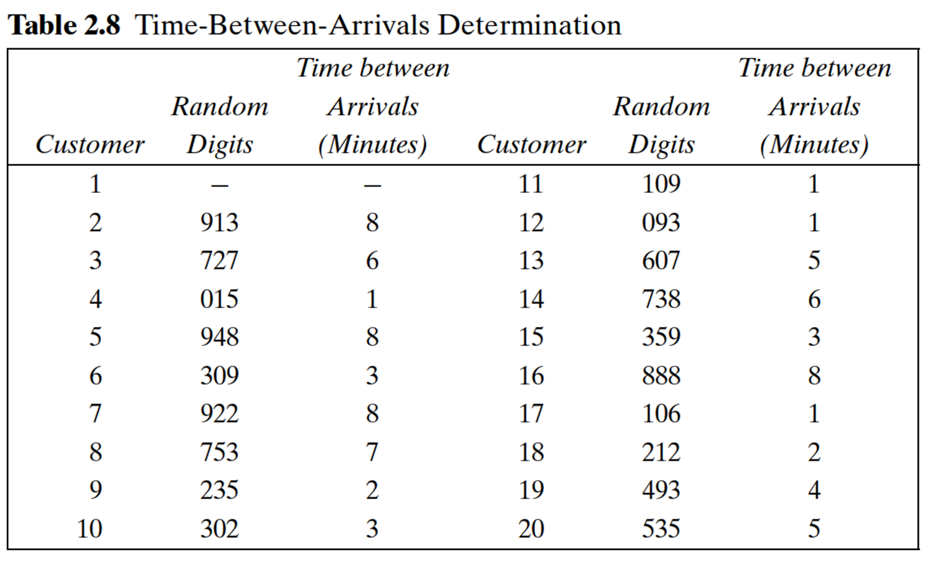
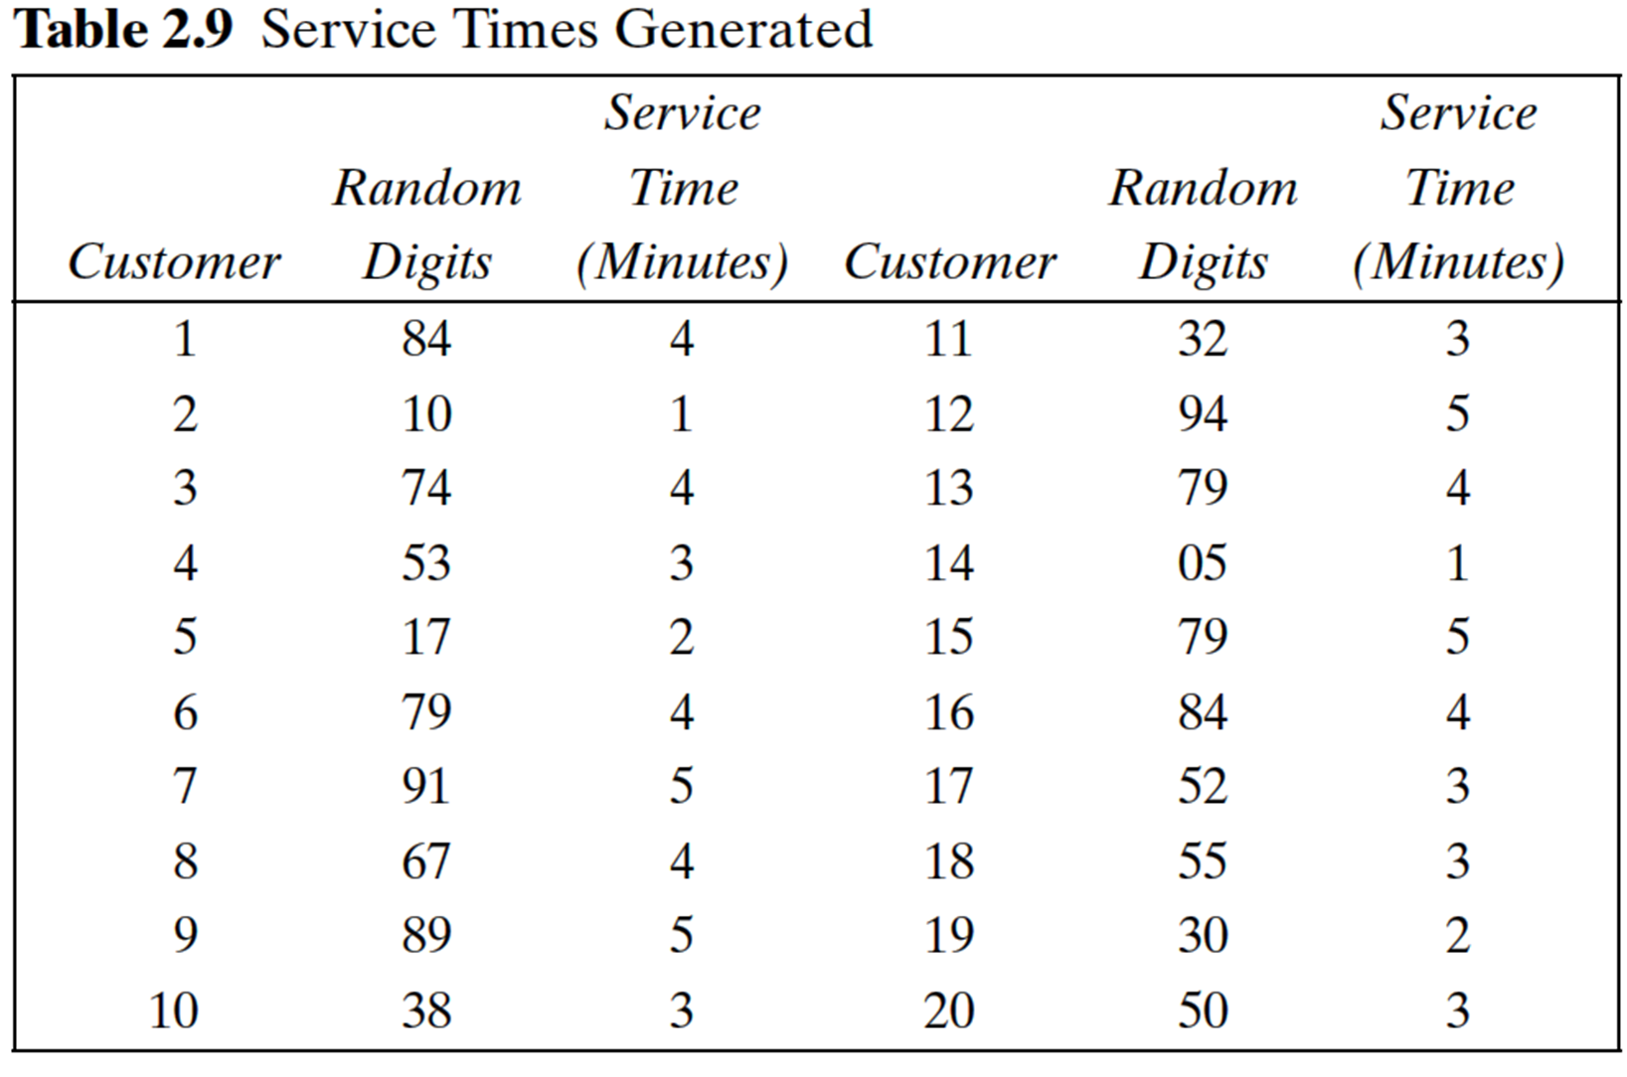

customer | Time Since last arrival | arrival time | service time | time service begins | time customer waits in Q | Time Service Ends | Time customer spends in system | idle time of server
1
2
3
4
5
6
7
8
9
10

